Spectrum Infos
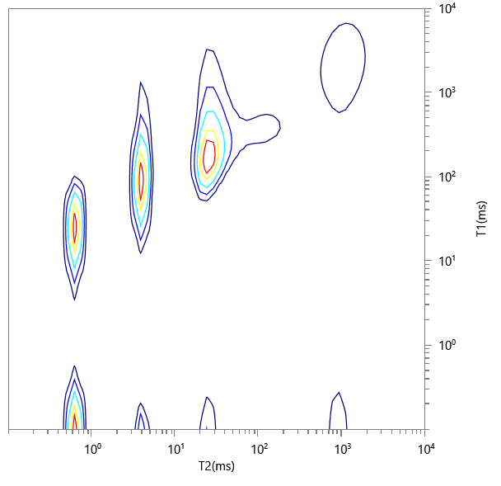
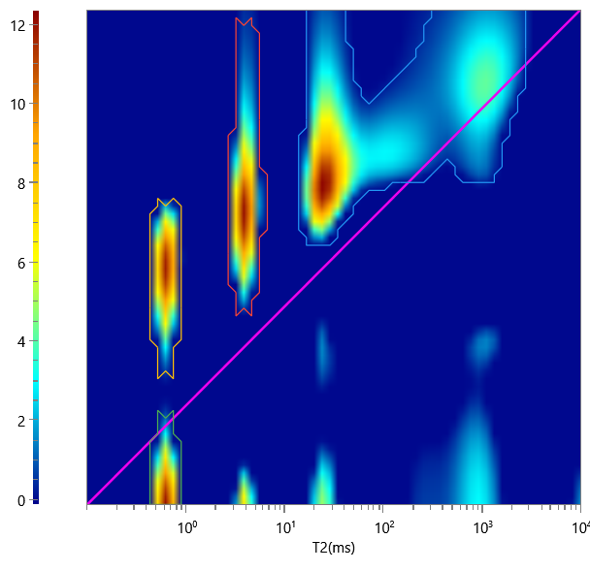
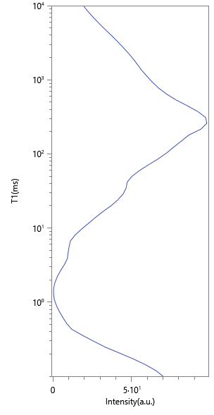
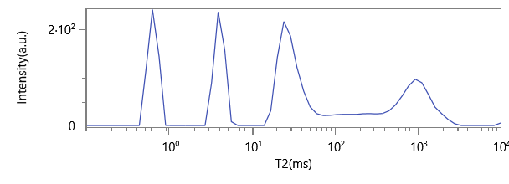
No. | ∫∫ | Content | HI | Saturation
1 | 1394.072 | 0.594 | 1 | 0.594
2 | 452.895 | 0.193 | 1 | 0.193
3 | 329.476 | 0.14 | 1 | 0.14
4 | 171.19 | 0.073 | 1 | 0.073

